About
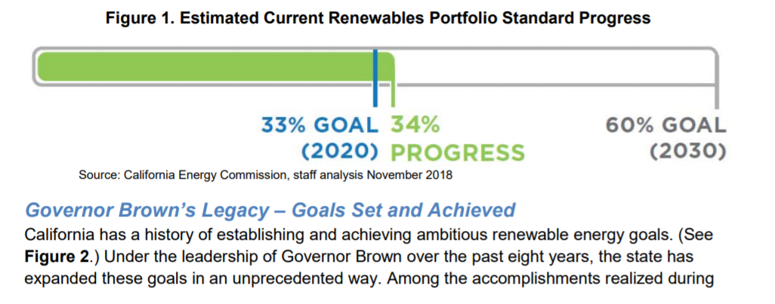
BRPSPTY BAU Renewable Portfolio Std Percentage This Year

Sources: | Long range decarbonization targets
 | SB 100 (Senate Bill 100)
 | 2018
 | https://leginfo.legislature.ca.gov/faces/billNavClient.xhtml?bill_id=201720180SB100

 | California Public Utilties Commision
 | Fact Sheet: Proposed Decision Implementing Load-Serving Entity Integrated Resource Planning Process (R.16-02-007)
 | No date / proposed decision was dated December 28, 2017.
 | http://www.cpuc.ca.gov/uploadedFiles/CPUCWebsite/Content/UtilitiesIndustries/Energy/EnergyPrograms/ElectPowerProcurementGeneration/irp/IRP%20PD%20Fact%20Sheet_2018-01-29.pdf

 | Total System Electric Generation
 | California Energy Commission
 | 2018
 | Total System Electric Generation
 | http://www.energy.ca.gov/almanac/electricity_data/total_system_power.html

 | Energy Information Administration, US Department of Energy
 | State Electricity Profile, California
 | Table 10, Supply and disposition
 | https://www.eia.gov/electricity/state/California/state_tables.php

Notes | The worksheet "SB 100 RPS and sales adjustments" provides an annual interpretation of long run sector targets.

 | (1) It also carries out an adjustment for generation (how the EPS caculates RPS compliance vs. sales (how RPS compliance is calculated in California).

 | EPS calculates RPS required % as a function of generation. The state policy applies to sales. We adjust to account for the somewhat smaller
 | requirement after transmission losses (see BAU transmission losses for details on these).

 | The SB 100 legislation is purposefully vague about how exactly the 100% target will be achieved. The precise, optimal way to achieve zero
 | emissions remains under study. The EPS model currently supports very high levels of zero carbon electricity, but the last few percentage
 | points of the transition are beyond current scope. For this reason, the model does not eliminate natural gas peaker plants, currently.

 | (2) Adjustment for imported renewables and in-state small hydroelectric power
 | The worksheet "accounting imports-small hydro" takes account of renewables that are exogenous to model calculations of RPS.

 | The EPS does not account for out of state renewables or divide in-region hydro into convention and small scale hydro, so we remove the existing
 | share of RPS compliance coming from out of state renewables and small scale hydro. See BAU Electricity Imports and Exports for more
 | information.

 | (3) post 2030 goals for BAU are set to leave the 2030 desired parameters undistributed.
 | The EPS builds on a linear trajectory, essentially, and so individual year requirements cannot be specified by themselves but must
 | take into account future goals.
 | The result of this is that almost any post 2030 strengthening, even a small increase of 8% in the RPS by 2045, increases that
 | amount of renewables built before 2031. For this reason, no post-2030 RPS goals are specified in BAU.

 | (4) recent analysis regarding future emission levels from the CPUC - IRP are also considered in setting the BAU policy.
 | See "IRP Excerpts" for more details.

 | (5) Calibration
 | Because of the mismatch between the model structure and California realities, some calibration of the final values was carried out.
 | These involve the years 2028-2030 and are shown on the "Calibration" tab.
 | To save effort, these steps are not exhaustively documented.
 | Essentially, increments were added and subtracted to arrive at a valuable that serves as an approximation of the 60% RPS level in 2030.

 | Below are excerpts from the SB 100 legislation
 | This bill would revise the above-described legislative findings and declarations to state that the goal of the program is to achieve that 50% renewable resources target by December 31, 2026, and to achieve a 60% target by December 31, 2030. The bill would require that retail sellers and local publicly owned electric utilities procure a minimum quantity of electricity products from eligible renewable energy resources so that the total kilowatthours of those products sold to their retail end-use customers achieve 44% of retail sales by December 31, 2024, 52% by December 31, 2027, and 60% by December 31, 2030.

 | This bill would state that it is the policy of the state that eligible renewable energy resources and zero-carbon resources supply 100% of retail sales of electricity to California end-use customers and 100% of electricity procured to serve all state agencies by December 31, 2045. The bill would require that the achievement of this policy for California not increase carbon emissions elsewhere in the western grid and that the achievement not allow resource shuffling. The bill would require the PUC and the Energy Commission, in consultation with the state board, to take steps to ensure that a transition to a zero-carbon electric system for the State of California does not cause or contribute to greenhouse gas emissions increases elsewhere in the western grid. The bill would require the PUC, Energy Commission, state board, and all other state agencies to incorporate that policy into all relevant planning. The bill would require the PUC, Energy Commission, state board, and all other state agencies to ensure actions taken in furtherance of these purposes achieve specified objectives. The bill would require the PUC, Energy Commission, and state board to utilize programs authorized under existing statutes to achieve that policy and, as part of a public process, issue a joint report to the Legislature by January 1, 2021, and every 4 years thereafter, that includes specified information relating to the implementation of the policy.

 | This (below) was the schedule under 33% RPS

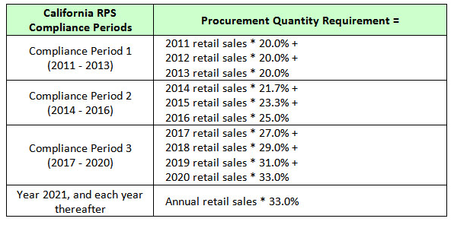

 | http://cpuc.ca.gov/rps/
 | Current Renewable Procurement Status

 | All electricity retail sellers had an interim target between compliance periods to serve at least 27% of their load with RPS-eligible resources by December 31, 2017. In general, retail sellers either met or exceeded the interim 27% target and are on track to achieve their compliance requirements.

 | CEC Tracking Progress
 | https://www.energy.ca.gov/renewables/tracking_progress/documents/renewable.pdf

IRP-2019-2020
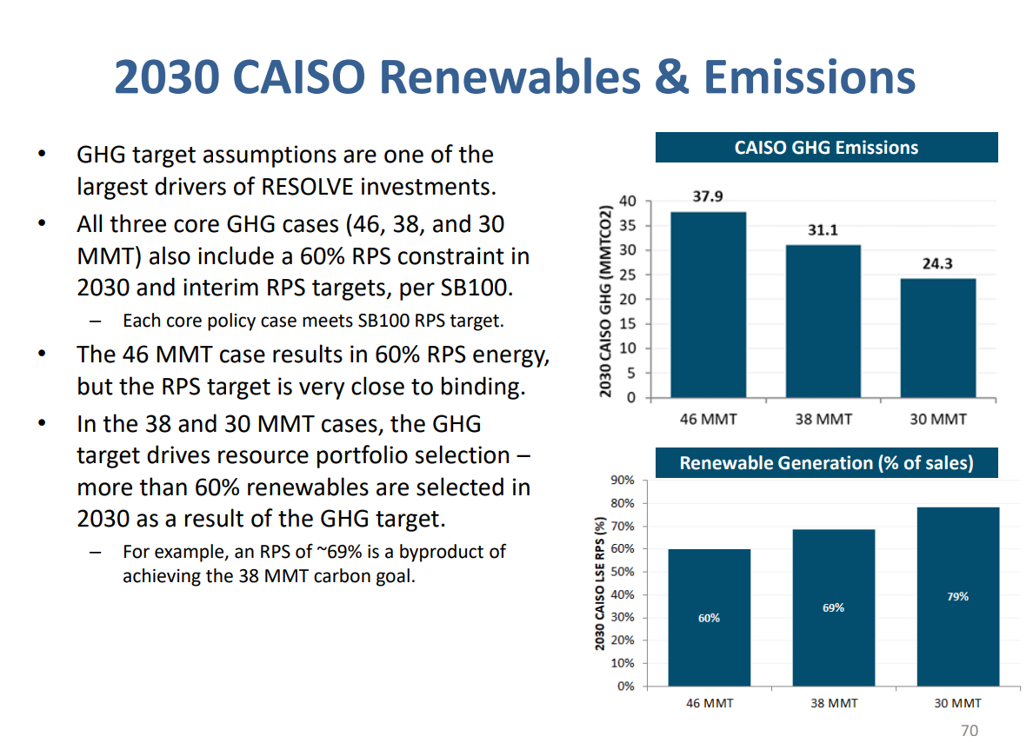
https://www.cpuc.ca.gov/uploadedFiles/CPUCWebsite/Content/UtilitiesIndustries/Energy/EnergyPrograms/ElectPowerProcurementGeneration/irp/2018/2019%20IRP%20Preliminary%20Results%2020191004.pdf

IRP excerpts
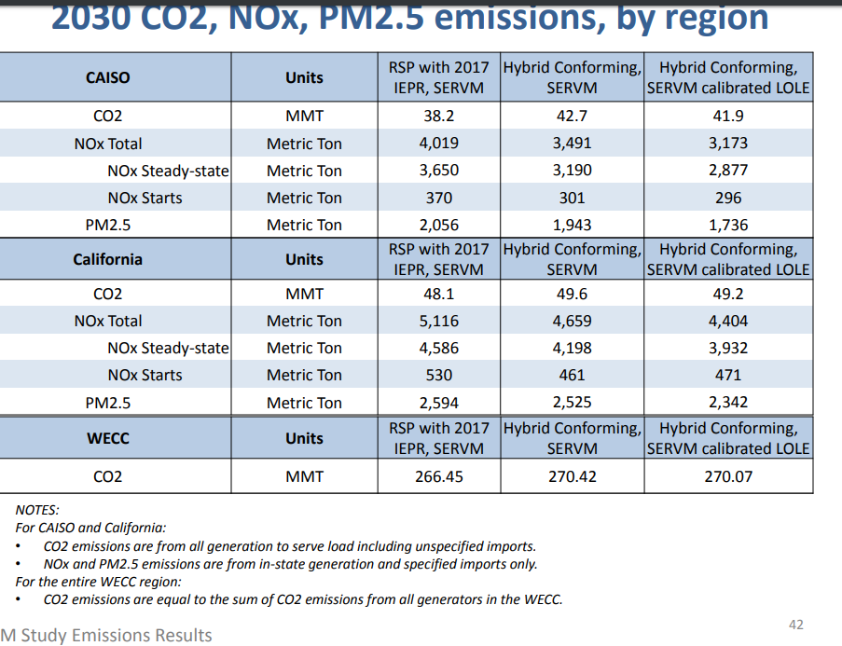
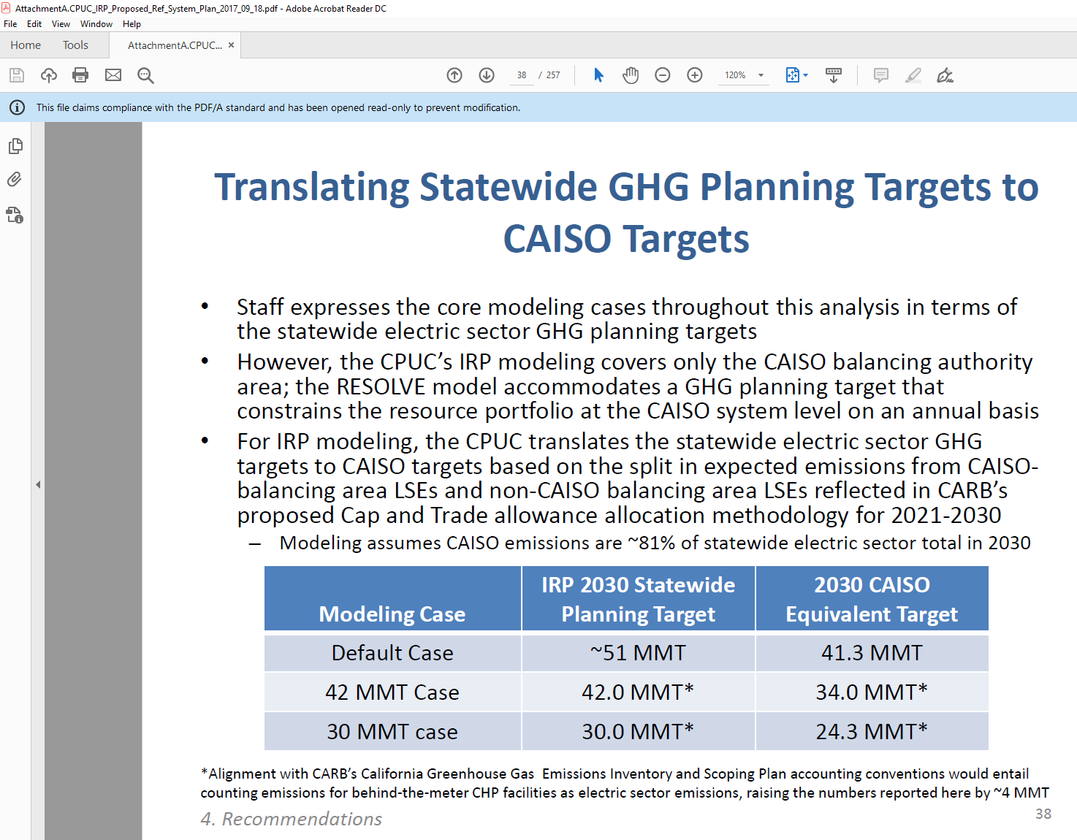
Shows RPS-bound retail sales at 191,236 |  |  | 191,236

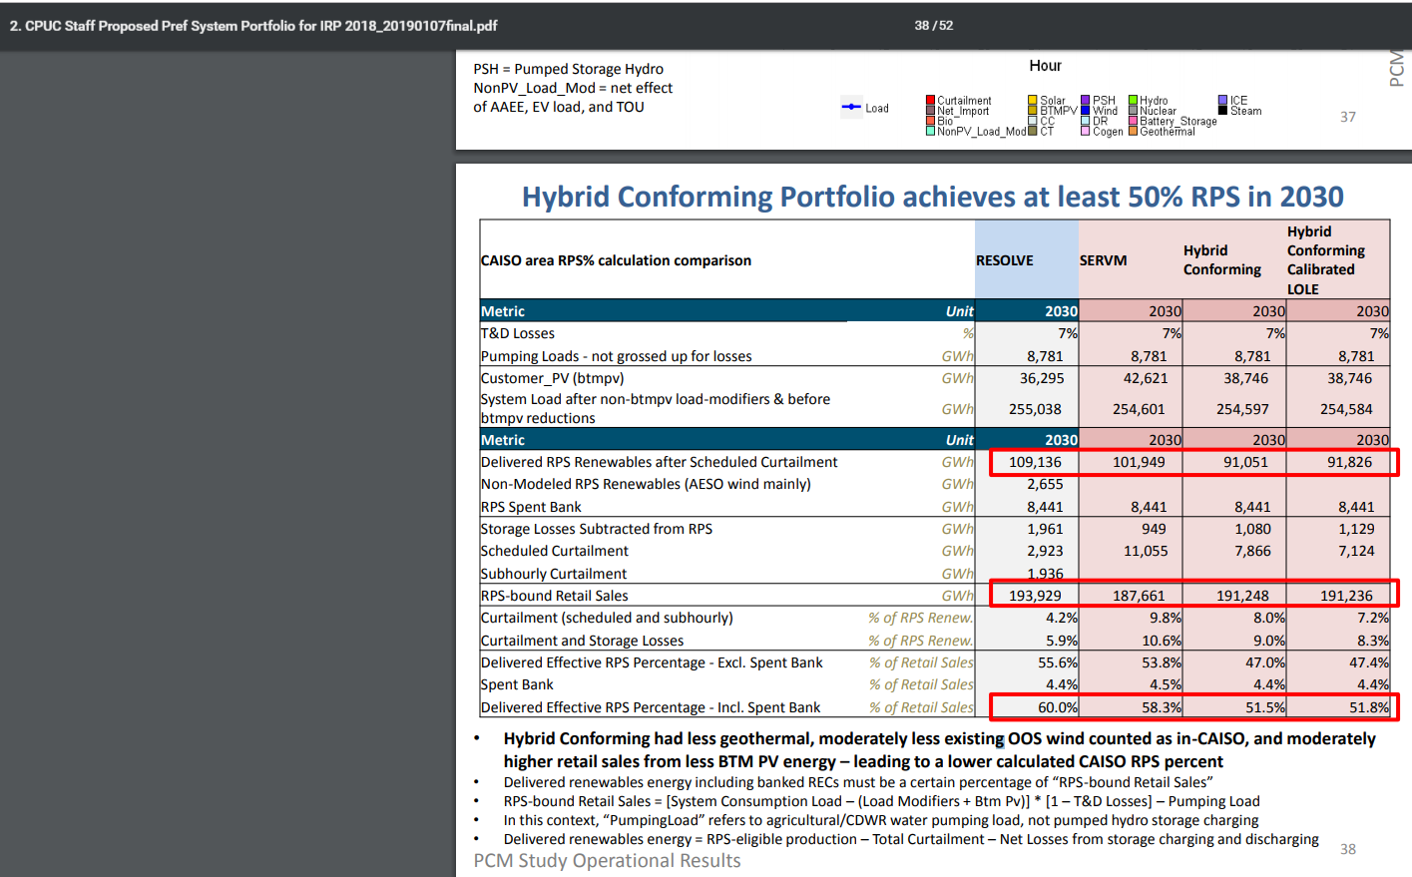

 |  |  |  | 254,584

 | 2030 final demand
IPER 2017 final revised demand | 339,160 | including behind the meter, including CAISO and non-CAISO.
IRP2018 | 254,584 | including behind the meter, only CAISO
Fraction in CAISO | 0.75063097063

The February 2018 IRP decision, D.18-02-018, adopted an electric sector 42 MMT in 2030 planning target, statewide
•This translated to a 34 MMT in 2030 planning target for the CAISO footprint, assuming CAISO share of statewide electric sector emissions is about 81%
•RESOLVE does not count BTM CHP emissions as part of electric sector emissions, whereas CARB’s California Greenhouse Gas Emissions Inventory and Scoping Plan does. Results compiled from SERVM attempt to follow the same counting convention as RESOLVE, excluding any emissions from BTM CHP (generally the non-PV self-generation component of the IEPR demand forecast).

52
http://www.cpuc.ca.gov/uploadedFiles/CPUCWebsite/Content/UtilitiesIndustries/Energy/EnergyPrograms/ElectPowerProcurementGeneration/DemandModeling/IRP_RSP_2017IEPR_SERVM_results_20180913.pdf

CAISO 2017 load
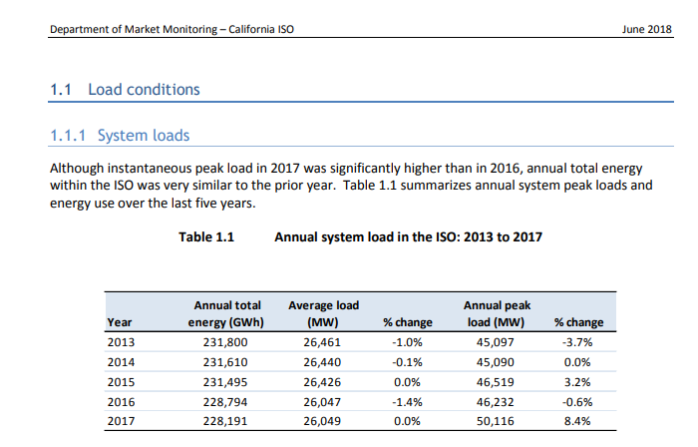

2017 load | 228191 | GWh

IPER 2017
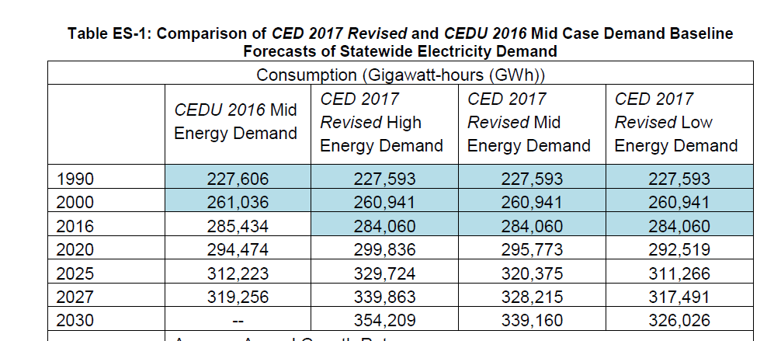
IPER 2017 final

CHP notes from the IRP
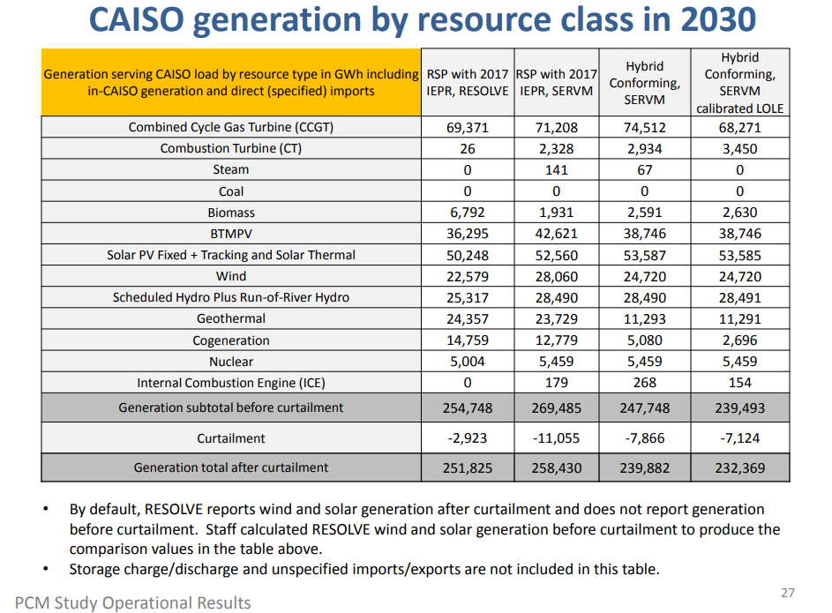
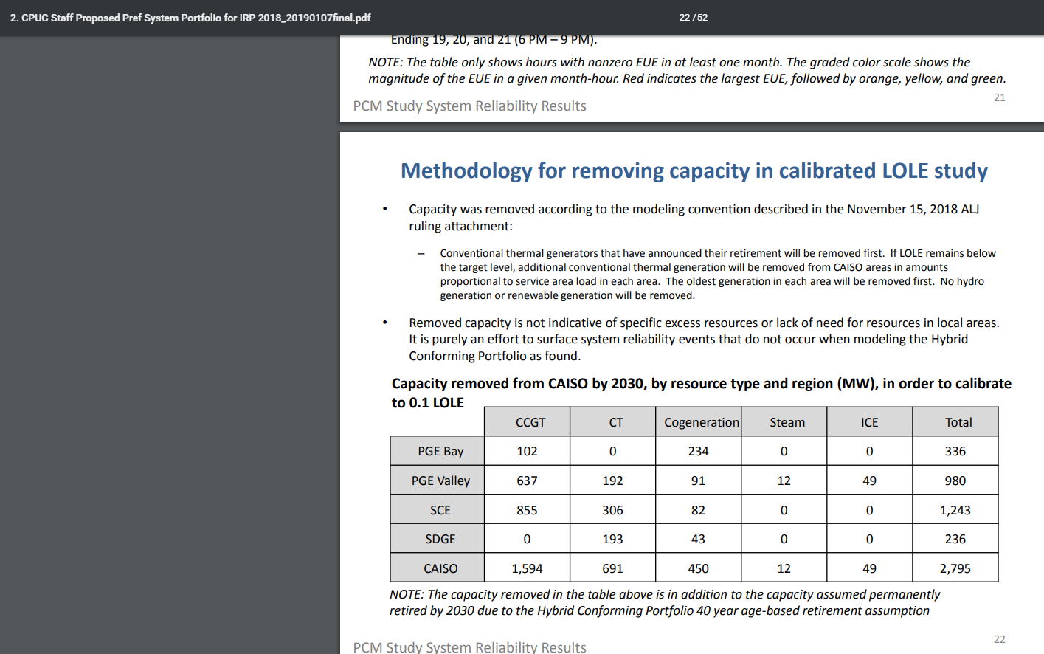
We assume that the behind the meter CHP declines in capacity and output at the same rate.
2030 data - right most column (most recent scenario), shows CHP dropping to | 2030 estimate | 2696
Calculate the reduction from 2017 level shown in DOE state energy profile (Tab EIA-CHP Table 10) | 2017 level | 16,382
 | % decline | 0.8354328665

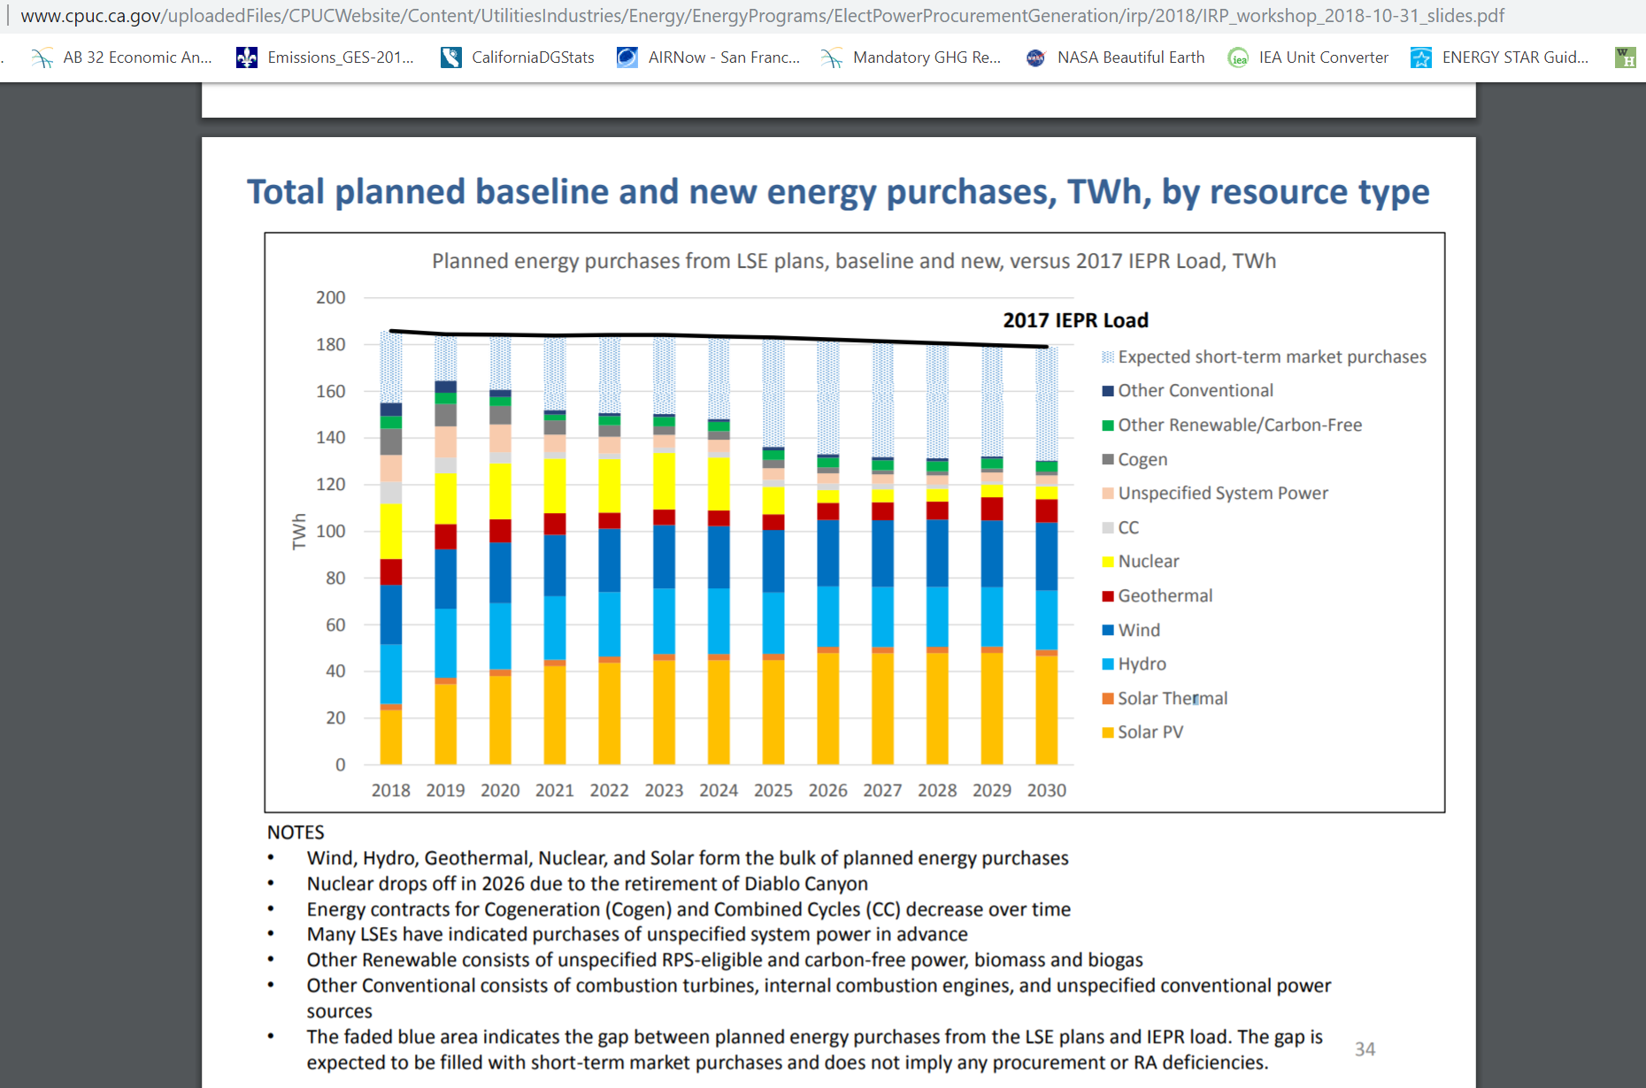
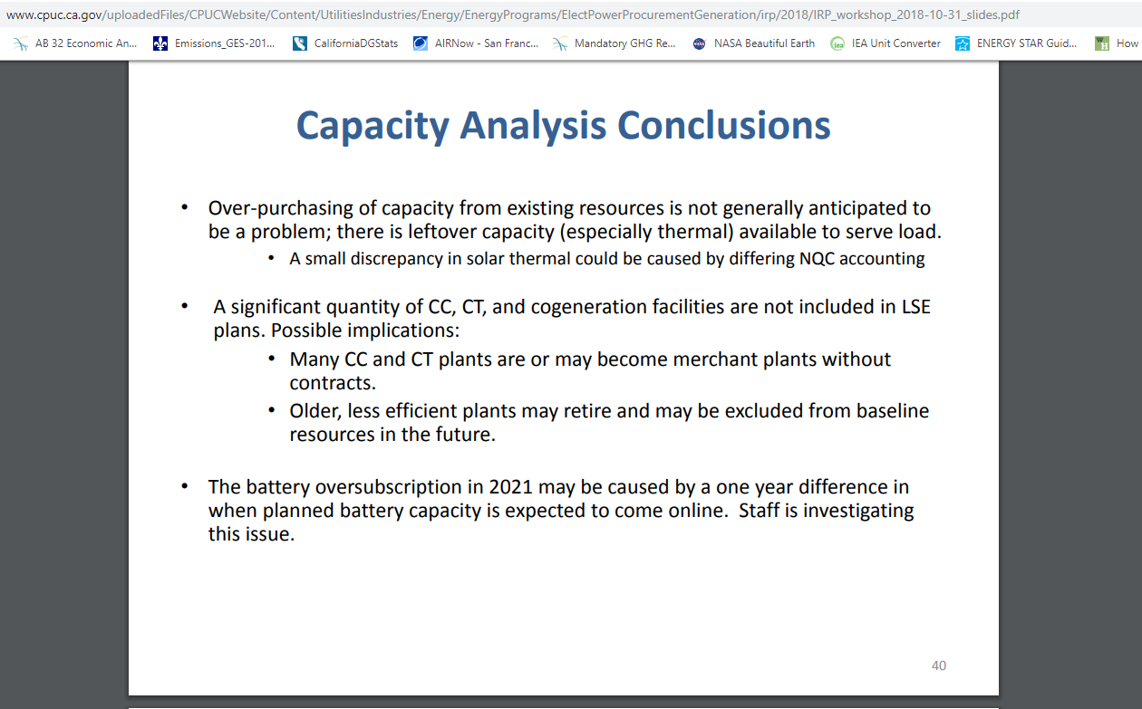

As of the end of 2017, there was about 7,649 MW of CHP installed statewide.
“From 2010 to 2017, California’s CHP fleet has decreased 8 percent in nameplate capacity and 25 percent in annual electrical generation. Figure 1 shows the annual percentage changes to CHP capacity and generation relative to 2010.”
https://www.energy.ca.gov/renewables/tracking_progress/documents/combined_heat_and_power.pdf

